Sheet1
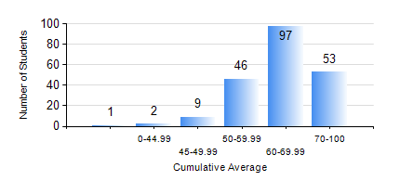
 |  |  | KWAME NKRUMAH UNIVERSITY OF SCIENCE AND TECHNOLOGY, KUMASI Department of Telecommunication Engineering

 |  |  | BSC. TELECOMMUNICATION ENG.

 |  |  | COMPREHENSIVE RECORD OF EXAMINATION RESULTS

 |  |  | RESULTS OF YEAR 1 SECOND SEMESTER, 2020/2021 ACADEMIC YEAR

 | Sn | Course Code |  | Course Name | Credit Hours | Min. Mark | Max. Mark | Avg. Mark | Std. Dev. | No. Passed | No. Trailed | No. (Df) | No. (I) | No. (I*) | No. Tagged(I,I*,Df) | Total
 | 0. |  |  |  |  |  |  | 0 | 0 | 0 | 0 | 0 | 0 | 0 | 0 | 1
 | 1. | COE 158 |  | INTRODUCTION TO INFORMATION TECHNOLOGY | 2 | 0 | 91 | 63 | 13.67 | 206 | 1 | 0 | 0 | 0 | 0 | 207
 | 2. | EE 152 |  | BASIC ELECTRONICS | 3 | 0 | 94 | 63 | 14.2 | 202 | 5 | 0 | 0 | 0 | 0 | 207
 | 3. | EE 156 |  | ELECTRICAL ENG. DRAWING | 2 | 0 | 91 | 70 | 10.21 | 206 | 1 | 0 | 0 | 0 | 0 | 207
 | 4. | EE 172 |  | ELECTRICAL MACHINES | 3 | 0 | 89 | 64 | 11.57 | 202 | 5 | 0 | 0 | 0 | 0 | 207
 | 5. | ENGL 158 |  | COMMUNICATION SKILLS II | 2 | 0 | 76 | 59 | 8.58 | 206 | 1 | 0 | 0 | 0 | 0 | 207
 | 6. | MATH 152 |  | CALCULUS WITH ANALYSIS | 4 | 0 | 89 | 67 | 10.6 | 206 | 1 | 0 | 0 | 0 | 0 | 207
 | 7. | ME 166 |  | APPLIED THERMODYNAMICS | 2 | 0 | 86 | 58 | 12.38 | 197 | 10 | 0 | 0 | 0 | 0 | 207

